Planilha1
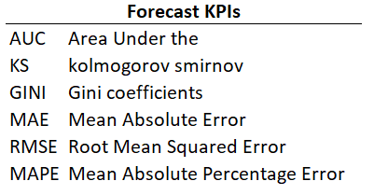
Forecast KPIs
AUC | Area Under the Curve
KS | Kolmogorov Smirnov
GINI | Gini Coefficients
MAE | Mean Absolute Error
RMSE | Root Mean Squared Error
MAPE | Mean Absolute Percentage Error

